State Schedule
Oregon Public Employees Retirement System |  |  |  |  |  | This schedule is available online at the link below
Schedule of Pension Amounts under GASB 68 |  |  |  |  |  | https://www.oregon.gov/pers/EMP/Documents/GASB/2020/GASB-68-Individual-Employer-Schedules.pdf
Employer #: City of ****

Measurement Date [MD] of the Net Pension Liability/(Asset) [NPLI(A)] |  |  | 30-Jun-19
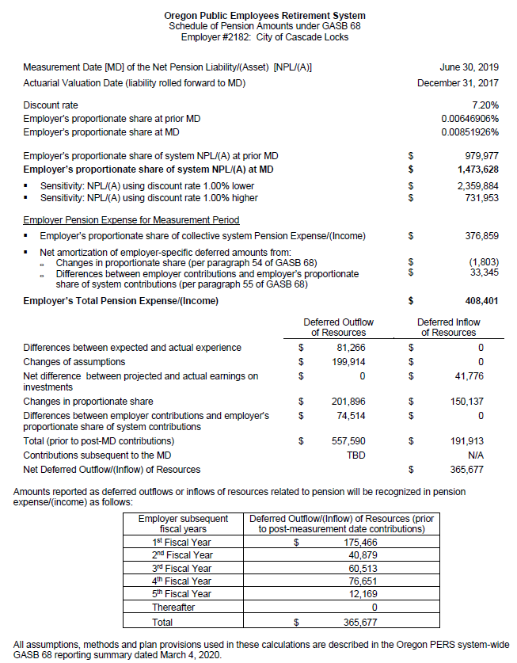
Actuarial Valuation Date (liability rolled forward to MD) |  |  | 31-Dec-17
Discount rate |  |  | 7.20%
Employer's proportionate share at prior MD |  |  | 0.00646906% |  | -
Employer's proportionate share at MD |  |  | 0.00851926% |  | -

Employer's proportionate share of system NPLI(A) at prior MD |  |  | $979,977 |  | -
Employer's proportionate share of system NPLI(A) at MD |  |  | $1,473,628 |  | -
• Sensitivity: NPLI(A) using discount rate 1.00% lower |  |  | $2,359,884
• Sensitivity: NPLI(A) using discount rate 1.00% higher |  |  | $731,953

Employer Pension Expense for Measurement Period
• Employer's proportionate share of system Pension Expense/(income) |  |  | $376,859 |  | -
• Net amortization of deferred amounts from:
o Changes in proportionate share (per paragraph 55 of GASB 68) |  |  | $(1,803)
o Differences between employer contributions and employer's proportionate share of system contributions (per paragraph 55 of GASB 68) |  |  | $33,345
Employer's Total Pension Expense/(income) |  |  | $408,401 |  | -

 |  | Deferred Outflow | Deferred Inflow
 |  | of Resources | of Resources
Differences between expected and actual experience |  | $81,266 | $-
Changes of assumptions |  | 199,914 | -
Net difference between projected and actual earnings on investments |  | - | 41,776 |  | -
Changes in proportion |  | 201,896 | 150,137 |  | -
Differences between employer contributions and proportionate share of contributions |  | 74,514 | -
Total (prior to post-MD contributions) |  | 557,590 | 191,913
Contributions subsequent to the MD |  | $217,341 | $- |  |  | https://www.oregon.gov/pers/EMP/Documents/GASB/2020/Cash-Contributions-FY2020-8-13-2020.pdf
Total |  | $774,931 | $191,913 |  |  |  | https://www.oregon.gov/pers/EMP/Pages/GASB.aspx
Net Deferred Outflow/(Inflow) of Resources |  |  | $583,018

Amounts reported as deferred outflows or inflow of resources related to pension will be recognized in
pension expense/(income) as follows:
 | Employer Subsequent Fiscal Years | Deferred Outflow/(Inflow) of Resources (prior to post-measurement date contributions)
 | 1st Fiscal Year | $175,466
 | 2nd Fiscal Year | $40,879
 | 3rd Fiscal Year | $60,513
 | 4th Fiscal Year | $76,651
 | 5th Fiscal Year | $12,168
 | Thereafter | $-
 | Total | $365,677 |  | -

All assumptions, methods and plan provisions used in these calculations are described in the Oregon PERS
system-wide GASB 68 reporting summary dated March 4, 2020.

Table 3
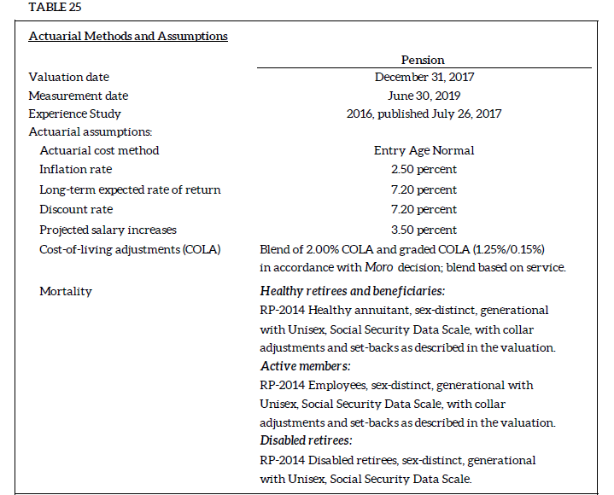
Valuation Date | 2017-12-31 | This information was created from the PERS CAFR table 25 on page 71
Measurement Date | 2019-06-30 | https://www.oregon.gov/pers/Documents/Financials/CAFR/2019-CAFR.pdf
Experience Study Report | 2016, published July 26, 2017
Actuarial Cost Method | Entry Age Normal
Actuarial Assumptions:
Inflation Rate | 2.50 percent
Long-Term Expected Rate of Return | 7.20 percent
Discount Rate | 7.20 percent
Projected Salary Increases | 3.50 percent overall payroll growth
Cost of Living Adjustments (COLA) | Blend of 2.00% COLA and grade COLA (1.25%/0.15%) in accordance with Moro decision, blend based on service.
Mortality | Health retirees and beneficiaries: RP-2014 healthy annuitant, sex-distinct, generational with Unisex, Social Security Data Scale, with collar adjustments and set-backs as described in the valuation.

 | Active Members: RP-2014 Employees, sex-distinct, generational with Unisex, Social Security Data Scale, with collar adjustments and set-backs as described in the valuation.

 | Disabled retirees: RP-2014 Disabled retirees, sex-distinct, generational with Unisex, Social Security Data Scale.

Table 4
Changed from 2019 |  |  |  | Asset Class | Target Allocation | Compounded Annual Return (Geometric) |  | This information was created from PERS CAFR table on page 100
 | Assumed Asset Allocation |  |  |  |  |  |  | This information was created from the PERS CAFR table 31 on page 72
Asset Class/Strategy | Low Range | High Range | Target | Core Fixed Income | 8.00% | 3.49% |  | https://www.oregon.gov/pers/Documents/Financials/CAFR/2019-CAFR.pdf
Debt Securities | 15.0% | 25.0% | 20.0% | Short-Term Bonds | 8.00% | 3.38% | Changed
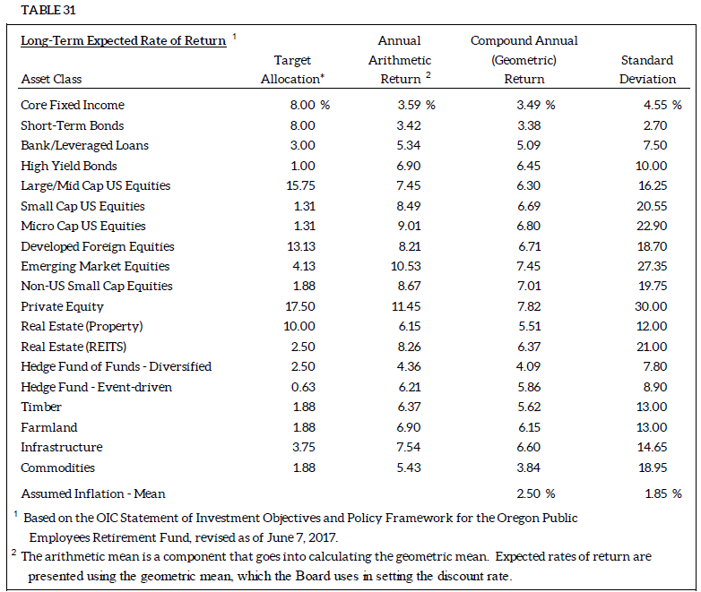
Public Equity | 32.5% | 42.5% | 37.5% | Bank/Leveraged Loans | 3.00% | 5.09%
Real Estate | 9.5% | 15.5% | 12.5% | High Yield Bonds | 1.00% | 6.45%
Private Equity | 14.0% | 21.0% | 17.5% | Large/Mid Cap US Equities | 15.75% | 6.30%
Alternative Equity | 0.0% | 12.5% | 12.5% | Small Cap US Equities | 1.30% | 6.69%
Opportunity Portfolio | 0.0% | 3.0% | 0.0% | Micro Cap US Equities | 1.30% | 6.80%
Total |  |  | 100.0% | Developed Foreign Equities | 13.13% | 6.71%
 |  |  |  | Emerging Foreign Equities | 4.12% | 7.45%
 |  |  |  | Non-US Small Cap Equities | 1.88% | 7.01%
 |  |  |  | Private Equities | 17.50% | 7.82%
 |  |  |  | Real Estate (Property) | 10.00% | 5.51%
 |  |  |  | Real Estate (REITS) | 2.50% | 6.37%
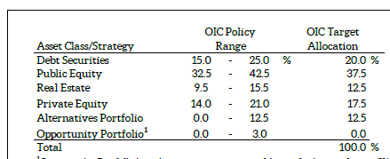
 |  |  |  | Hedge Fund of Funds - Diversified | 2.50% | 4.09%
 |  |  |  | Hedge Fund - Event-Driven | 0.63% | 5.86%
 |  |  |  | Timber | 1.88% | 5.62%
 |  |  |  | Farmland | 1.88% | 6.15%
 |  |  |  | Infrastructure | 3.75% | 6.60%
 |  |  |  | Commodities | 1.88% | 3.84%

 |  |  |  | Total | 100.00%

 |  |  |  | Assumed Inflation - Mean |  | 2.50%

